Sheet1
Fluorophore | Marker
FITC | IFNa | pro-inflammatory cytokine (part of response)
PE | CD123 | Dendritic cells
PerCP-Cy5-5 | MHCII | Expressed by APCs (B cells, Mono/Macs, DCs), upregulated upon infection and presentation of antigen
PE-Cy7 | CD14 | Monocytes/Macrophages
APC-A | CD11c | Dendritic cells
APC-Cy7-A | IL6 | pro-inflammatory cytokine (part of response)
Pac Blue | IL12 | pro-inflammatory cytokine (part of response)
Alexa Fluor 700 | TNFa | pro-inflammatory cytokine (part of response)

LPS is a TLR4 activator which is predominantly expressed by myeloid cells

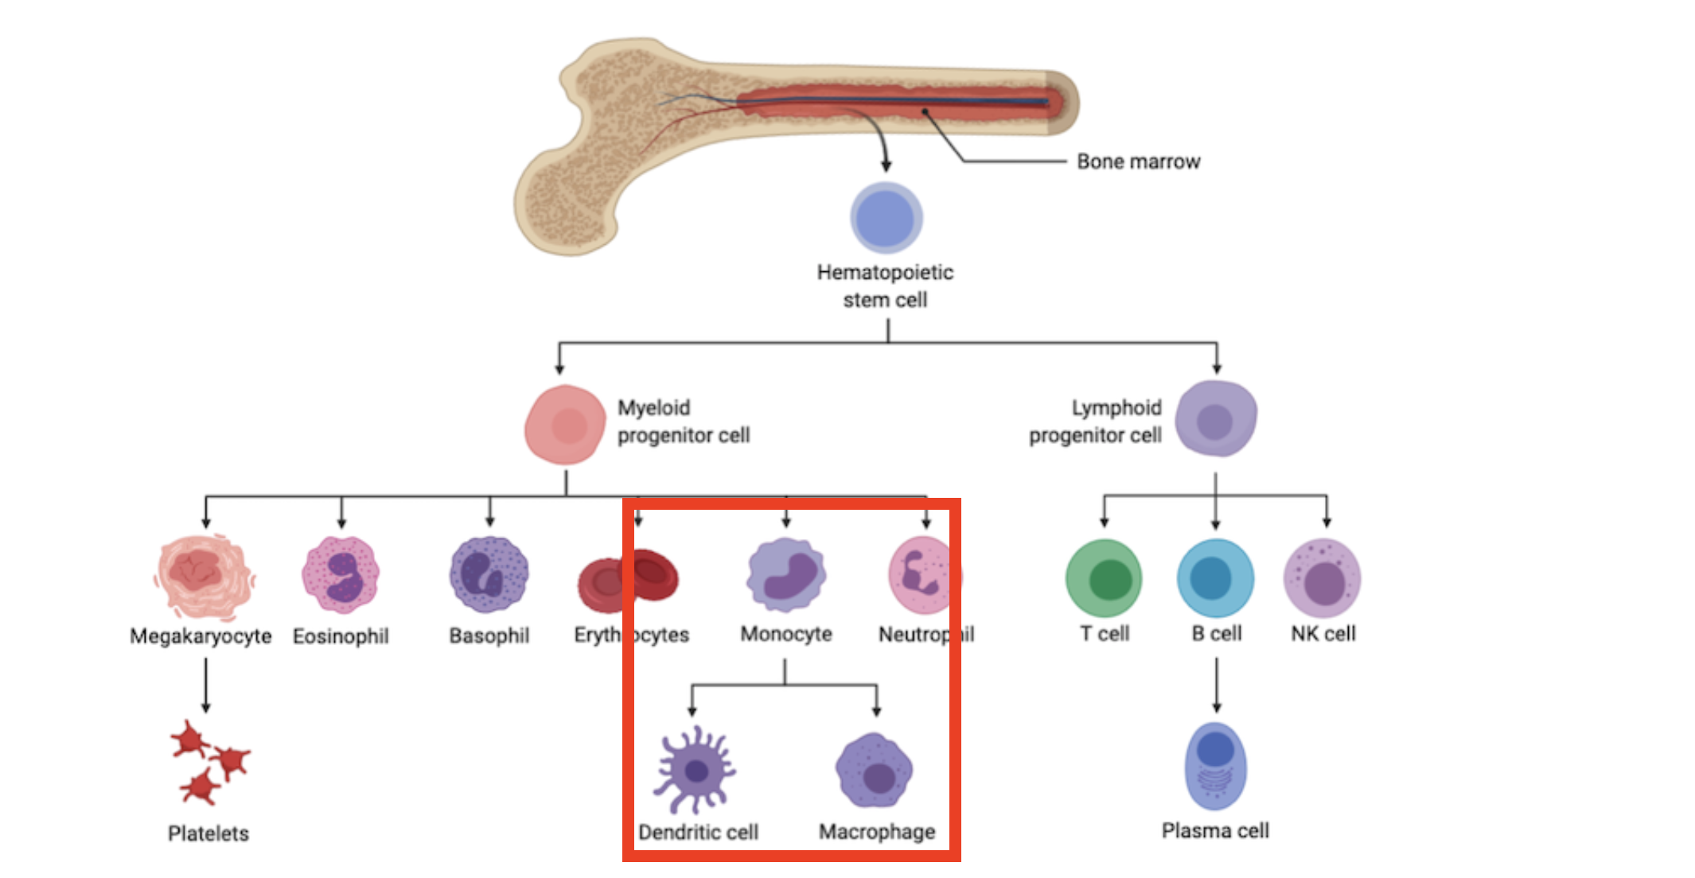

https://blog.cellsignal.com/immunology-what-cells-have-a-myeloid-lineage-and-how-are-they-identified

